Sheet1
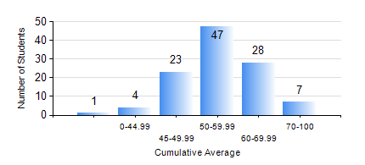
 |  |  | KWAME NKRUMAH UNIVERSITY OF SCIENCE AND TECHNOLOGY, KUMASI Department of Computer Engineering

 |  |  | BSC. COMPUTER ENG.

 |  |  | COMPREHENSIVE RECORD OF EXAMINATION RESULTS

 |  |  | RESULTS OF YEAR 3 SECOND SEMESTER, 2018/2019 ACADEMIC YEAR

 | Sn | Course Code |  | Course Name | Credit Hours | Min. Mark | Max. Mark | Avg. Mark | Std. Dev. | No. Passed | No. Trailed | No. (Df) | No. (I) | No. (I*) | No. Tagged(I,I*,Df) | Total
 | 0. |  |  |  |  |  |  | 0 | 0 | 0 | 0 | 0 | 0 | 0 | 0 | 14
 | 1. | COE 292 |  | COMPUTER ENGINEERING LAB II | 2 | 60 | 60 | 60 | 0 | 1 | 0 | 0 | 0 | 0 | 0 | 1
 | 2. | COE 354 |  | OPERATING SYSTEMS | 4 | 9 | 91 | 47 | 11.6 | 93 | 3 | 0 | 0 | 0 | 0 | 96
 | 3. | COE 356 |  | INTRODUCTION TO SOFTWARE ENG. | 3 | 33 | 84 | 62 | 11.1 | 94 | 2 | 0 | 0 | 0 | 0 | 96
 | 4. | COE 358 |  | EMBEDDED SYSTEMS | 3 | 8 | 86 | 44 | 8.85 | 94 | 2 | 0 | 0 | 0 | 0 | 96
 | 5. | COE 368 |  | DATABASE AND INFORMATION RETRIEVAL | 3 | 16 | 99 | 57 | 15.99 | 91 | 5 | 0 | 0 | 0 | 0 | 96
 | 6. | COE 382 |  | DIGITAL COMPUTER DESIGN | 3 | 4 | 91 | 44 | 13.37 | 89 | 7 | 0 | 0 | 0 | 0 | 96
 | 7. | COE 392 |  | AUTOTRONIC LAB. | 2 | 45 | 89 | 67 | 10.07 | 91 | 0 | 5 | 0 | 0 | 5 | 96

